Bug Report_01
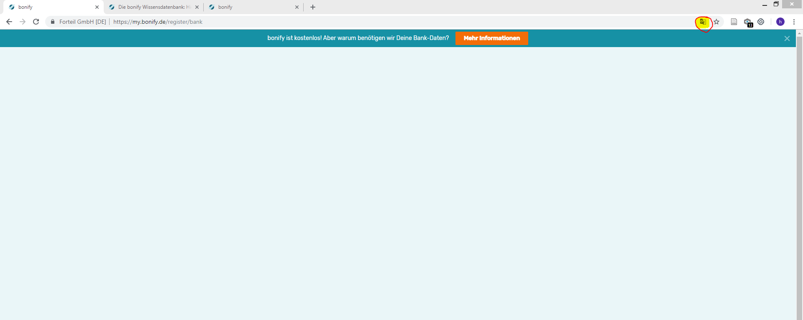
ID number | #001
Description | [MyBonify] Application stops responding when values are submitted slowly to register a bank when source is translated to english.
Type | Bug
Severity | Major
Priority | Major
Reporter | Harsha J
Submit Date | 2018-11-10
Assigned to | Backend Team
Summary | While the page is translated to english, When I slowly enter multi-digit values as 'Bank code (BLZ) / bank name' , the application stops responding.
Steps to reproduce | 1) Register with a new user or find an existing user without a bank registered to his account. 2) Go to the login page and translate the content to english (Use the 'translate' icon next to 'Bookmark' icon on Chrome). 3) Enter the details and hit the button 'REGISTRATION' and login. 4) Click on 'EXPAND FOR FREE' or 'GET A SCORE FOR FREE' in which add bank window will be prompted. 5) Type '1' and wait around 1sec and type '3'.
Expected result | Application should list all the banks containing '13' within their bank code or display an error if there are no banks listed under the search query.
Actual result | Application prompts to an empty page. Hitting back button does NOT take you to the previous page as well. Only resolution is to reload the page.
Environment | Browser: Google Chrome Version 70.0.3538.77 (Official Build) (64-bit) | Operating System: Windows 8.1| Zoom Level: 100% | Screen size: 1920x1080
URL | https://my.bonify.de/add-account https://my.bonify.de/register/bank
Screenshot | BR_01_Scr_01
Notes | Only happens while the source is translated. This only happens values when the values are entered slowly. This happens both when registering a bank via new user registraion and after logged in with an existing user.

BR_01_Scr_01

Bug Report_02
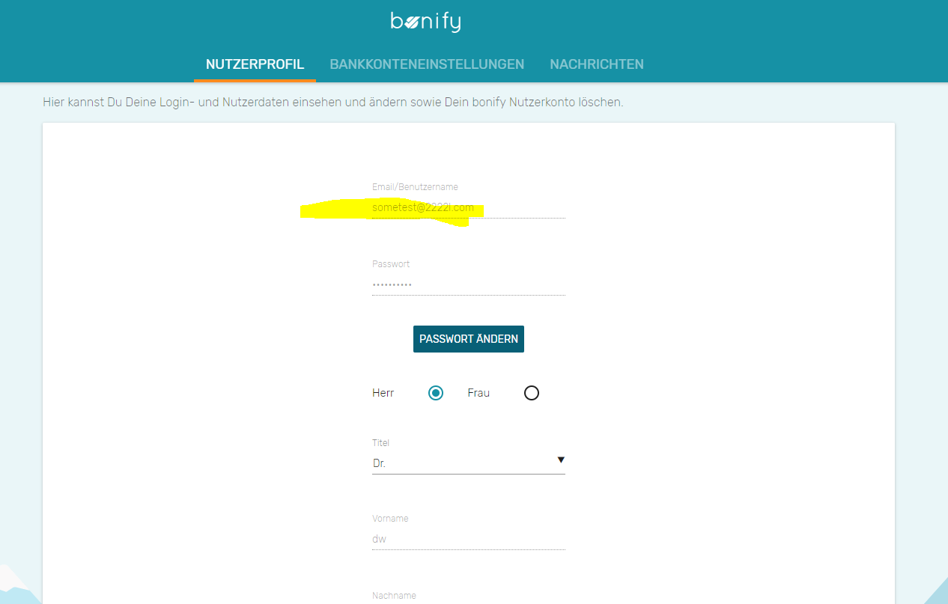
ID number | #002
Description | [MyBonify] Accounts can be completed without email confirmations.
Type | Enhancement
Severity | Medium
Priority | Medium
Reporter | Harsha J
Submit Date | 2018-11-10
Assigned to | Backend Team
Summary | MyBonify accounts can be created without email confirmations. Users are able to continue their bonify tasks without confirming their emails. This leads to 1) a large number of bogus accounts being created without valid emails and details by bots or programs 2) Genuine customers who have entered wrong emails during their registrations have no way to recover their accounts down the line after a certain usage.
Steps to reproduce | 1) Register with a new user using a bogus email. eg: sometestemail1@testemail.com 2) Navigate to 'https://my.bonify.de/'
Expected result | Application should prompt the new user to confirm the email.
Actual result | Application automatically logs the user into his account w/o email confirmation.
Environment | Browser: Google Chrome Version 70.0.3538.77 (Official Build) (64-bit) | Operating System: Windows 8.1| Zoom Level: 100% | Screen size: 1920x1080
URL | https://my.bonify.de/register/email
Screenshot | BR_02_Scr_01, BR_02_Scr_02
Notes | This leads to, 1) a large number of bogus accounts being created without valid emails and details by bots or programs 2) Genuine customers who have entered wrong emails during their registrations have no way to recover their accounts down the line after a certain usage because their is no way to change user emails.

BR_02_Scr_01

BR_02_Scr_02

Bug Report_03
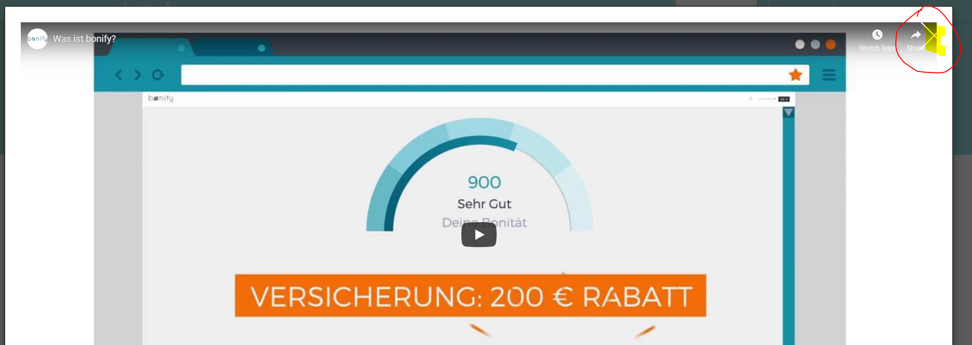
ID number | #003
Description | [Bonify] Close button 'X' of the Youtube video popup is not properly alligned.
Type | Bug
Severity | Low
Priority | Low
Reporter | Harsha J
Submit Date | 2018-11-10
Assigned to | Frontend Team
Summary | The close button (X) of the Youtube video popup on the homepage is not properly alligned. Part of it is hidden due to improper alignment.
Steps to reproduce | 1) Navigate to 'https://www.bonify.de/' 2) Click on the Youtube video. 3) Observe the close button of the popup.
Expected result | Close button should be properly aligned and visible.
Actual result | Close button is not properly aligned and partially hidden.
Environment | Browser: Google Chrome Version 70.0.3538.77 (Official Build) (64-bit) | Operating System: Windows 8.1| Zoom Level: 100% | Screen size: 1920x1080
URL | https://www.bonify.de/
Screenshot | BR_03_Scr_01
Notes

BR_03_Scr_01

Bug Report_05
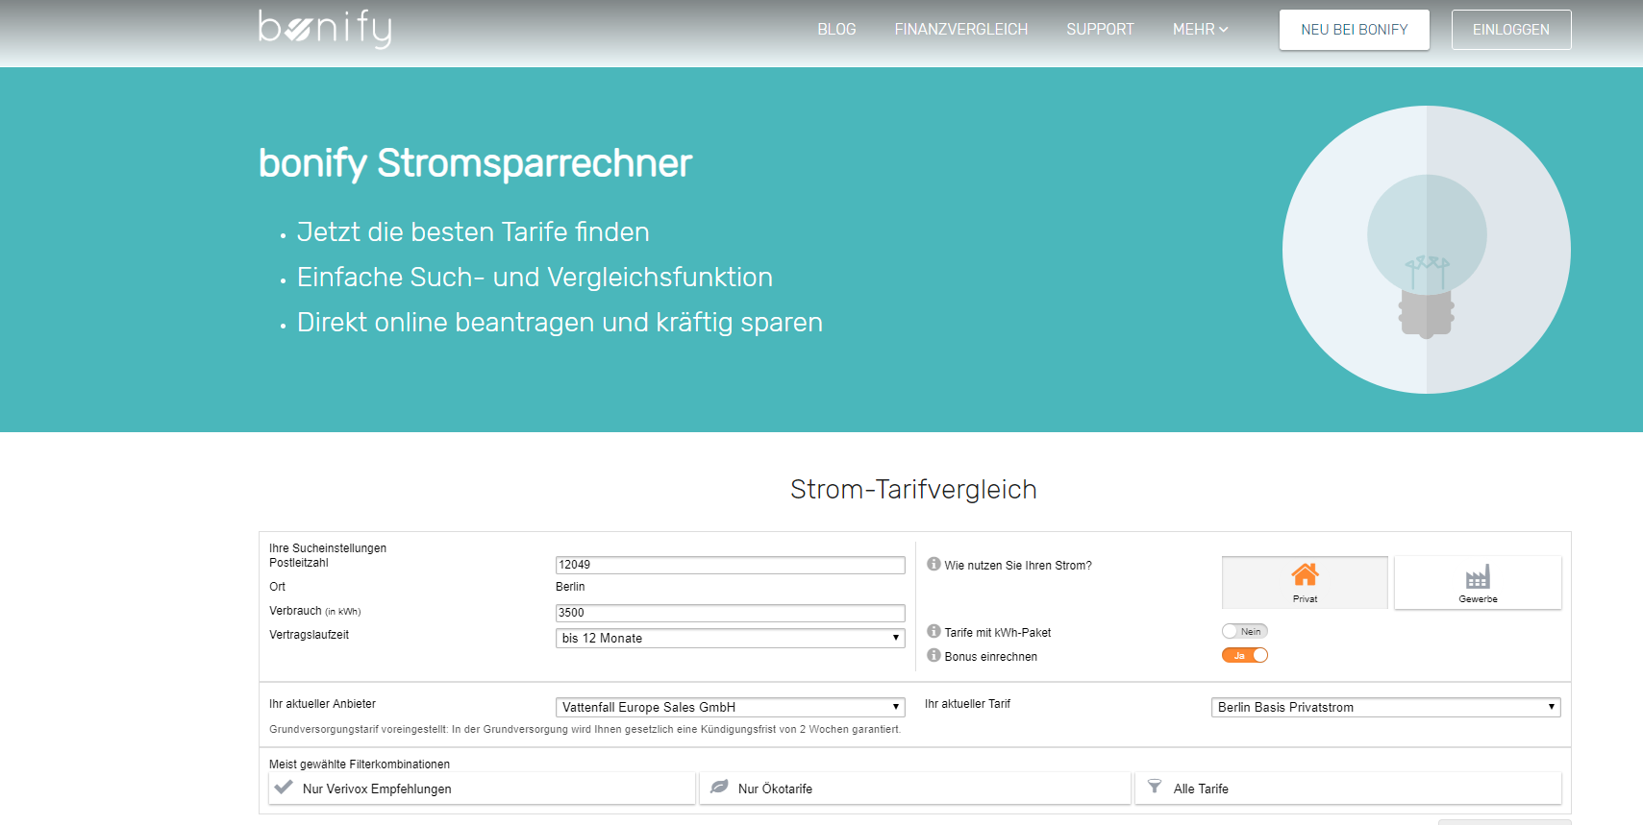
ID number | #005
Description | [Bonify] Possible inconsistency with the 'Verivox' partner link.
Type | Bug
Severity | Low
Priority | Low
Reporter | Harsha J
Submit Date | 2018-11-10
Assigned to | Frontend Team
Summary | Clicking on 'Verivox' partner link takes the user to 'bonify Stromsparrechner' instead of Verivox partner's site 'https://www.verivox.de/power/'
Steps to reproduce | 1) Navigate to 'https://www.bonify.de/partner' 2) Click on the following 'Verivox' partner link.
Expected result | Close button should be properly aligned and visible.
Actual result | Close button is not properly aligned and partially hidden.
Environment | Browser: Google Chrome Version 70.0.3538.77 (Official Build) (64-bit) | Operating System: Windows 8.1| Zoom Level: 100% | Screen size: 1920x1080
URL | https://www.bonify.de/partner
Screenshot | BR_05_Scr_01, BR_05_Scr_02
Notes | Possible link change or Partner thumbnail change

BR_05_Scr_01
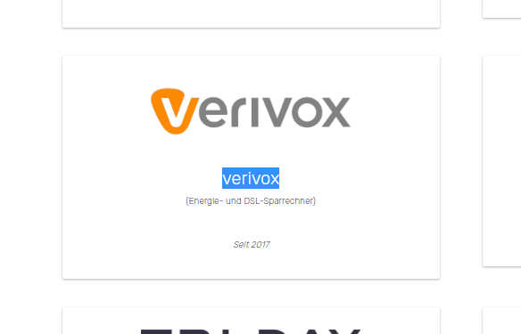

BR_05_Scr_02

Bug Report_06
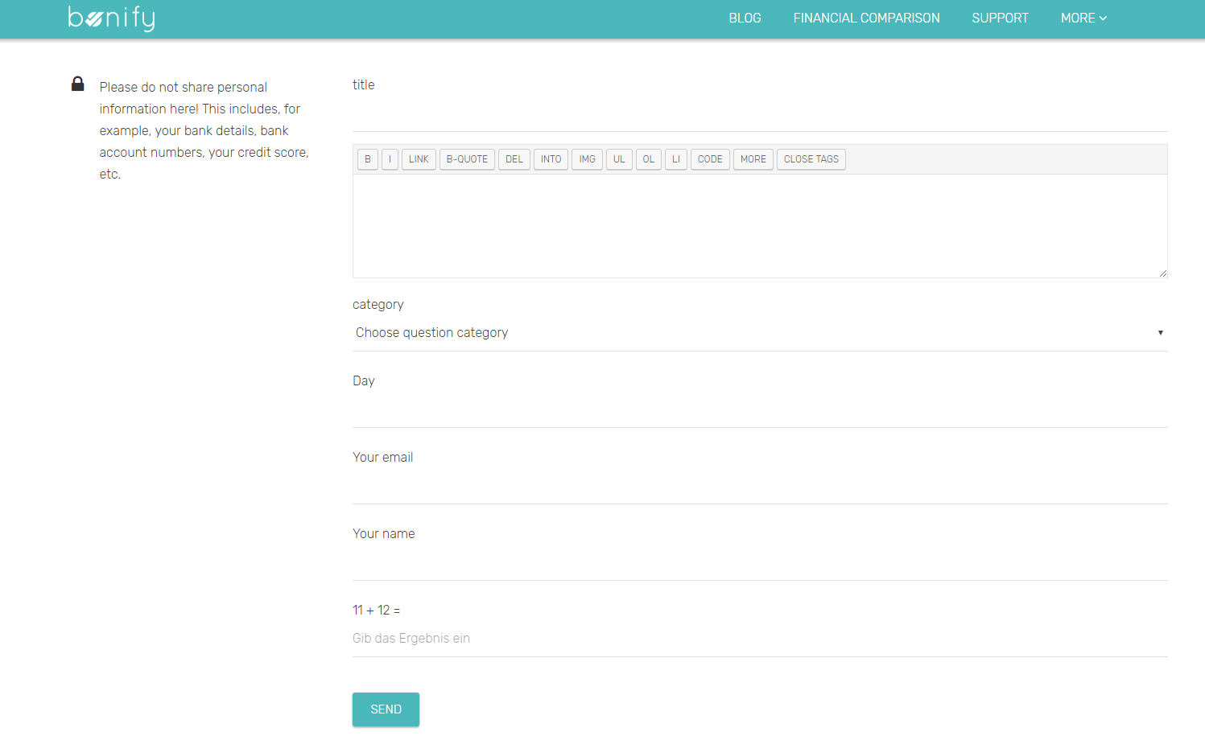
ID number | #006
Description | [Bonify] No 'Cancel' or 'Back' button is provided on ask question page.
Type | Enhancement
Severity | Low
Priority | Low
Reporter | Harsha J
Submit Date | 2018-11-10
Assigned to | Frontend Team
Summary | After navigating to ask question page on community, there is no way to go back to where the user was unless browser back button is used.
Steps to reproduce | 1) Navigate to 'https://www.bonify.de/community' 2) Click on 'STELLE EINE FRAGE' or 'ASK A QUESTION' button.
Expected result | A 'Close' or 'Cancel' button is present along with the 'Send' button.
Actual result | No 'Cancel' button is provided.
Environment | Browser: Google Chrome Version 70.0.3538.77 (Official Build) (64-bit) | Operating System: Windows 8.1| Zoom Level: 100% | Screen size: 1920x1080
URL | https://www.bonify.de/ask-question
Screenshot | BR_06_Scr_01
Notes

BR_06_Scr_01

Bug Report_07
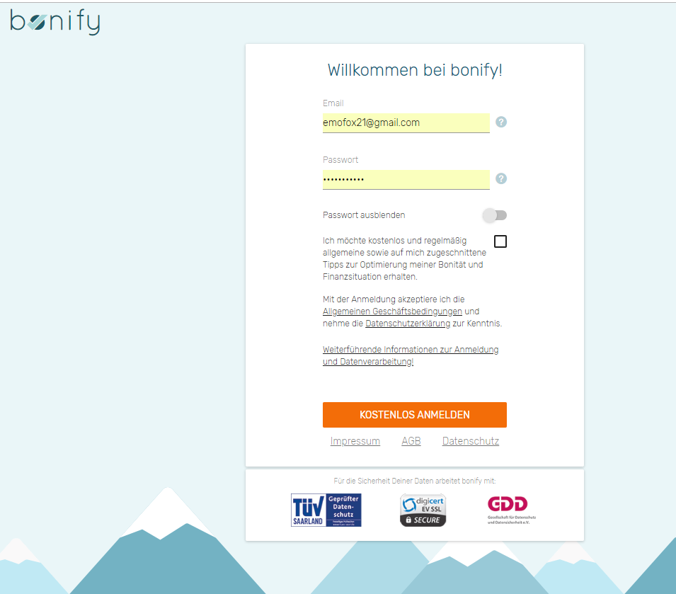
ID number | #007
Description | [MyBonify] No way of going back to 'Anmeldung' (login page) from 'Neu registrieren' sign up page.
Type | Enhancement
Severity | Low
Priority | Low
Reporter | Harsha J
Submit Date | 2018-11-10
Assigned to | Frontend Team
Summary | I cannot go to 'Anmeldung' (login page) from 'Neu registrieren' sign up page without typing the URL.
Steps to reproduce | 1) Navigate to 'https://my.bonify.de/register/email'
Expected result | There should be a link to go to the login page.
Actual result | No link provided.
Environment | Browser: Google Chrome Version 70.0.3538.77 (Official Build) (64-bit) | Operating System: Windows 8.1| Zoom Level: 100% | Screen size: 1920x1080
URL | https://my.bonify.de/register/email
Screenshot | BR_07_Scr_01
Notes | Common practice is sign up and sign in pages to have links inbetween them for easy user navigation.

BR_07_Scr_01

Bug Report_08
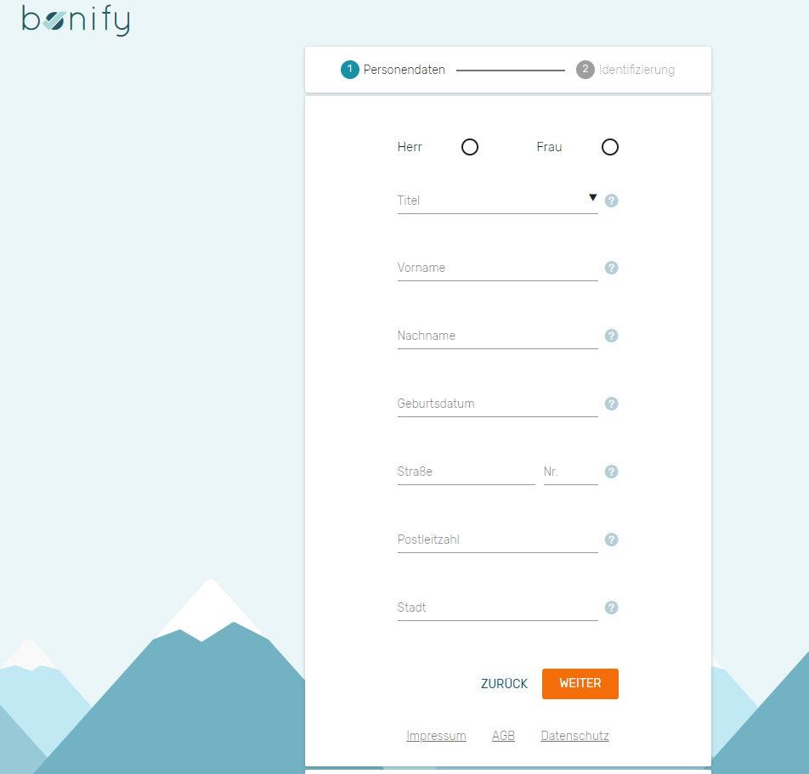
ID number | #008
Description | [MyBonify] No astricks (*) for required field on the sign up page
Type | Enhancement
Severity | Low
Priority | Low
Reporter | Harsha J
Submit Date | 2018-11-10
Assigned to | Frontend Team
Summary | I cannot distinguish what the required fields are untill I hit 'WEITER' (register) button.
Steps to reproduce | 1) Navigate to 'https://my.bonify.de/register/email' and enter details 2) Move to the next window.
Expected result | There should be * marks for required fields.
Actual result | No link * provided.
Environment | Browser: Google Chrome Version 70.0.3538.77 (Official Build) (64-bit) | Operating System: Windows 8.1| Zoom Level: 100% | Screen size: 1920x1080
URL | https://my.bonify.de/register/email
Screenshot | BR_08_Scr_01
Notes | Best to give the users what the required fields of a form are before they hit submit.

BR_07_Scr_01

